SCHOOL TEACHING STAFF
 | SCHOOL TEACHING STAFF PROFILE |  |  |  |  |  | SCHOOL - NON TEACHING STAFF
 | NAME OF TEACHER | ADDRESS | QUALIFICATION | DESIGNATION | PHOTO |  | NAME OF STAFF | ADDRESS | DESIGNATION | PHOTO
1 | PATHAN SHIRIN SULTAN | Near Anand Rushiji hospital Maniknagar, Ahilyanagar | M.Sc.B.Ed | PRINCIPAL | 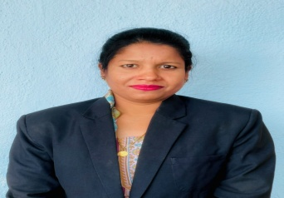 | 1 | ANIL FAKKAD KUTE | DHAVALPURI tal parner Dist -Ahilyanagar | 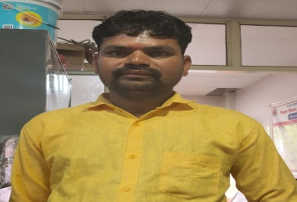 PEON
2 | NAUSHIN ARIF SHAIKH | Near India Bakewry Mukundnagar, Ahilyanagar | M.Sc.B.Ed | ASST. TEACHER | 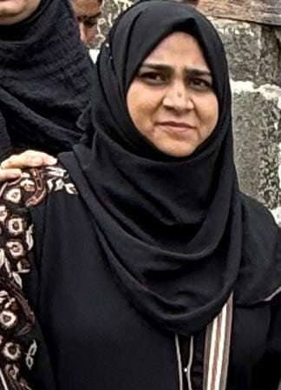 | 2 | MANISHA PAVLAS ANGRE | JAMGAON tal parner Dist -Ahilyanagar | PEON | 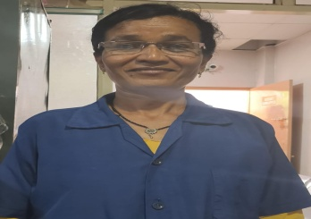
3 | BANSODE GAUTAMI MURLIDHAR | Civil Hadko ,Ahilyanagar | M.Sc.M.Ed | 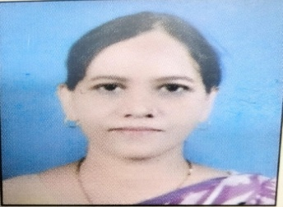 ASST. TEACHER |  | 3 | PATTEKAR LAXMI MANOHAR | a/p - BHALWANI Tal -Parner Dist - Ahilyanagar | PEON | 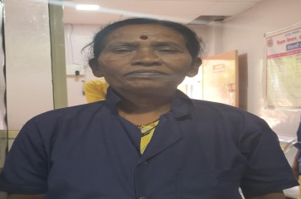
4 | ROHOKALE SONALI DATTATRAY | a/p - Malwadi BHALWANI Tal -Parner Dist - Ahilyanagar | M.Sc.B.Ed | ASST. TEACHER | 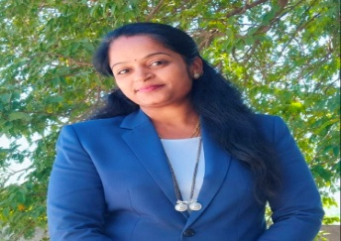 | 4 | AARTI SANDIP PATTEKAR | a/p - BHALWANI Tal -Parner Dist - Ahilyanagar | PEON | 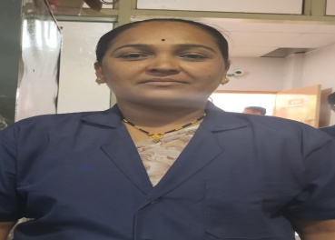
5 | KADAM JALINDAR GANGADHAR | Kalkup, Tal- Parner Dist Ahilyanagar | B.A.B.Ed | ASST. TEACHER | 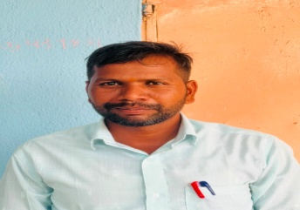 | 5 | RAHUL SHARAD GHANGALE | HIVRE KORDA tal parner Dist -Ahilyanagar | DRIVER | 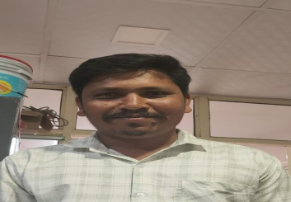
6 | SAYYED ASHPAK SHAIKH | Near India Bakewry Mukundnagar, Ahilyanagar | M.A.B.Ed | 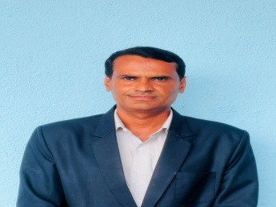 ASST. TEACHER |  | 6 | DIGAMBAR BHAUSAHEB ROHOKALE | a/p - BHALWANI Tal -Parner Dist - Ahilyanagar | DRIVER | 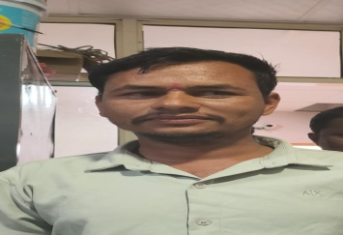
7 | KOKATE RAJSHREE MACHHINDRA | Dolasane Tal- Sangamner Dist Ahilyanagar | M.Sc.B.Ed | ASST. TEACHER | 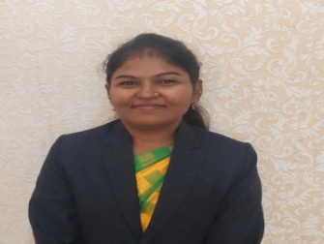 | 7 | POPAT SURYABHAN VALEKAR | DHAVALPURI tal parner Dist -Ahilyanagar | DRIVER | 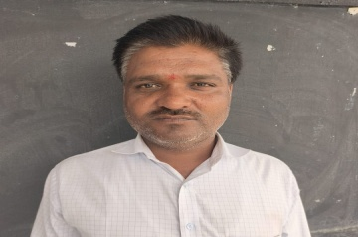
8 | THANGE VANDANA SHANKAR | a/p - Malwadi BHALWANI Tal -Parner Dist - Ahilyanagar | B.A.B.Ed | ASST. TEACHER | 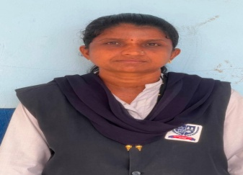 | 8 | SABAJI DHONDIBA KHESE | KINHI tal parner Dist -Ahilyanagar | DRIVER | 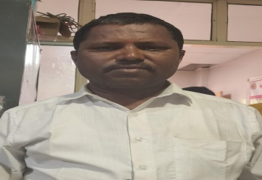
9 | BOGADE SWATI POPAT | Burhanagar, Ahilyanagar | M.A.B.Ed | 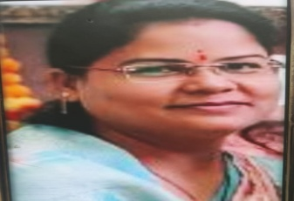 ASST. TEACHER
10 | SANA JUNED SHAIKH | Juna Bazar Ahilyanagr | M.Sc.B.Ed | ASST. TEACHER | 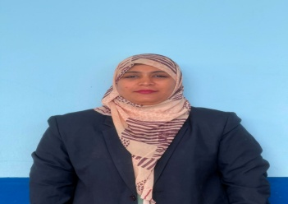
11 | KHAN NASEEM IMRAN | Near India Bakewry Mukundnagar, Ahilyanagar | B.A.B.Ed | ASST. TEACHER | 
12 | BHAGAT SUSHMA PANDHARINATH | a/p - BHALWANI Tal -Parner Dist - Ahilyanagar | B.A.D.Ed | ASST. TEACHER | 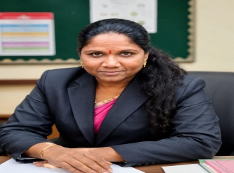
13 | PATOLE MARTHA SUBHASH | Zopdi Canteen Ahilyanagar | B.A.D.Ed | ASST. TEACHER | 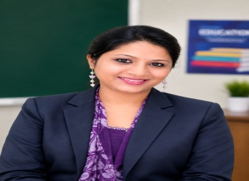
14 | SALVE MANDA HARSHVARDHAN | Near Delhi Gate Ahilyanagar | M.Sc.D.Ed | ASST. TEACHER | 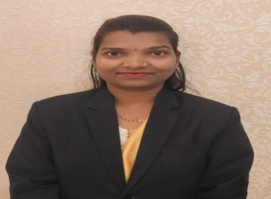
15 | GAWADE MINAKSHI MAHADEV | Dhavalpuri tal Parner Dist Ahilyanagar | M.A.B.Ed | ASST. TEACHER | 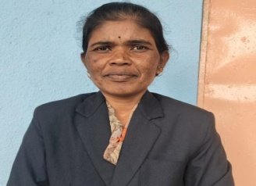
16 | SHINDE USHA SANJAY | Near Sugar Factory Malkup Tal - Parner Dist Ahilyanagar | M.A.B.Ed | 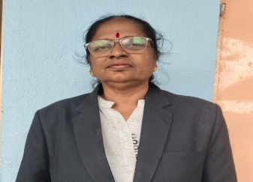 ASST. TEACHER
17 | ROHOKALE KAVITA EKNATH | a/p - BHALWANI Tal -Parner Dist - Ahilyanagar | B.A.D.Ed | 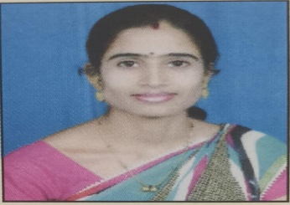 ASST. TEACHER
18 | SEVANI DISHA AMAR | Zopdi Canteen Ahilyanagar | B.Sc.D.Ed | ASST. TEACHER | 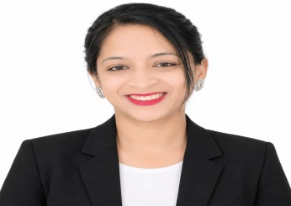
19 | THUBE JYOTI SANDEEP | Nagbendvadi Tal - Parner Dist - Ahilyanagar | B.A.D.Ed | ASST. TEACHER | 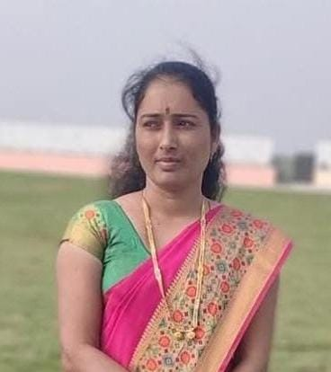
20 | GHODKE ARCHANA BAJRANG | DHAVALPURI Tal - Parner Dist - Ahilyanagar | M.A.B.Ed | ASST. TEACHER | 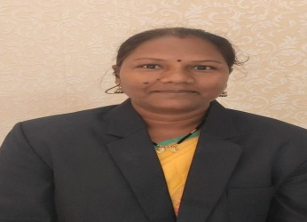
21 | NARHE NANASAHEB RAMDAS | Dhoki , Tal - parner Dist - Ahilyanagar | B.A.BP.Ed | SPORT . TEACHER | 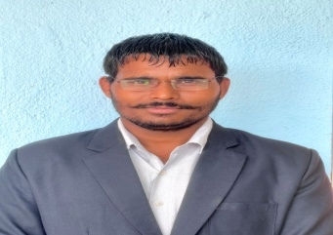
22 | GAIKWAD PRATIKSHA SAMBHAJI | IZAK HOSTEL BHALWANI | B.A.BP.Ed | SPORT . TEACHER | 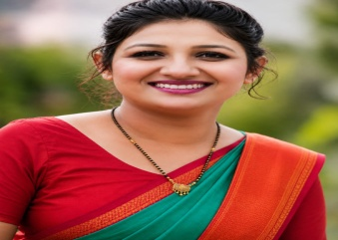
23 | SHAIKH SHABANA SULTAN | a/p - BHALWANI Tal -Parner Dist - Ahilyanagar | B.Lib.I.Sc | LIBRARIAN | 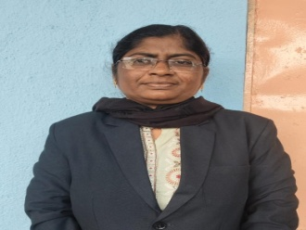
24 | KOKATE DNYANESHWAR HARIBHAU | ADARSH NAGAR KEDGAON TAL NAGAR | SANGEET VISHARAD | 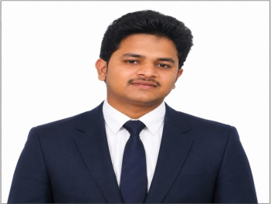 MUSIC TEACHER
25 | KAZI ARHAM ASIF | Juna Baza Ahilyanagar | B.Sc.D.Ed | COMPUTER TEACHER | 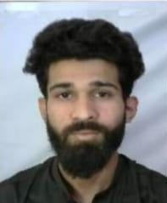
26 | SALVE PALLAVI ASHOK | Near Nepti Naka Ahilyanagar | B.Sc.D.Ed | ASST. TEACHER | 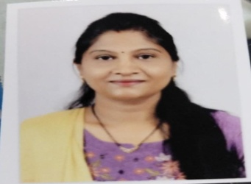
27 | PRAMOD BABASAHEB CHEMATE | a/p - BHALWANI Tal -Parner Dist - Ahilyanagar | SANGEET VISHARAD | MUSIC TEACHER | 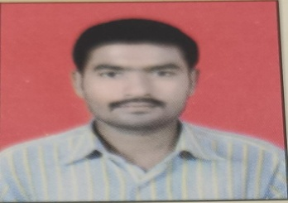
28 | ANANDKAR BALASAHEB ARVIND | DHAVALPURI Tal - Parner Dist - Ahilyanagar | B.A.ATD | 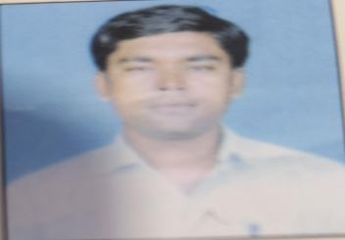 DRAWING TEACHER
29 | DETHE SANDIP KAILAS | NIMBLAK tal -Nagar Dist - Ahilyanagar | B.A.ATD | DRAWING TEACHER | 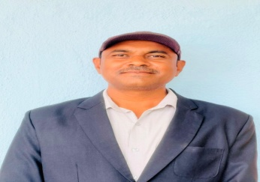
30 | TARTE NITIN SAHEBRAO | a/p - BHALWANI Tal -Parner Dist - Ahilyanagar | B.A.D.ED | ASST. TEACHER | 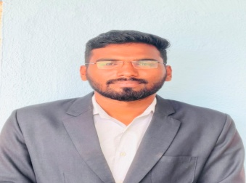
31 | FARUKH MOHAMMAD RAJE | Near Police Station PARNER tal - parner | MBA IT | COMPUTER TEACHER | 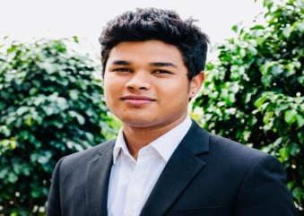
32 | MAYUR BABASAHEB ROHOKALE | a/p - BHALWANI Tal -Parner Dist - Ahilyanagar | B.A.BP.Ed | SPORT . TEACHER | 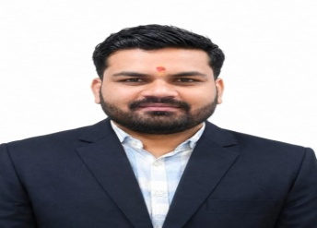
33 | PATOLE SHRUTI CECIL | Near Tarakpur Stand Ahilyanagar | M.Sc.B.Ed | ASST. TEACHER | 
34 | SACHIN SANTOSH JADHAV | Bhingar Ahilyanagar | M.A.B.Ed | ASST. TEACHER | 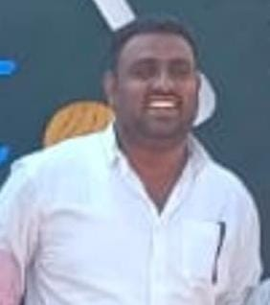
35 | BHARTI BAJIRAO GAIKWAD | a/p - BHALWANI Tal -Parner Dist - Ahilyanagar | B.A.B.Ed | ASST. TEACHER | 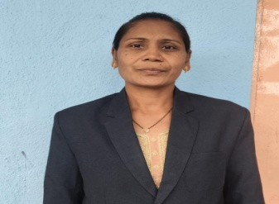
36 | SHAIKH ARSHIYA MD HUSSAIN | near Darga Daira Road Mukund nagar Ahilyanagar | B.Sc.B.Ed | ASST. TEACHER | 
37 | SHELAR DAINA DAINEL | Near Garud Hosptal Ahilyanagar | M.Sc.B.Ed | ASST. TEACHER | 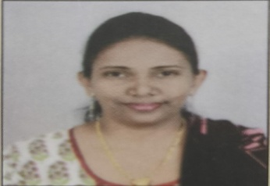
38 | MANORAMA SHUDHAKAR PATOLE | Near top up petrol pump Fakir wada Ahilyanagar | B.AD.Ed | ASST. TEACHER | 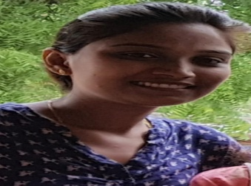
39 | SAHER IRFAN SHAIKH | near Darga Daira Road Mukund nagar Ahilyanagar | M.Sc.B.Ed | ASST. TEACHER | 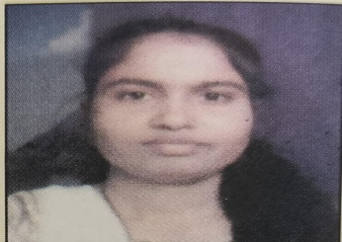

hoatel staff
HOSTEL TEACHING STAFF |  |  |  |  |  | HOSTEL NON - TEACHING STAFF

 | NAME OF TEACHER | ADDRESS | QUALIFICATION | DESIGNATION | PHOTO |  | NAME OF TEACHER | ADDRESS | PHOTO
1 | Takale dhondibhau rambhau | Dhavalpuri tal Parner Dist Ahilyanagar | M.A.B.Ed | Male Rector | 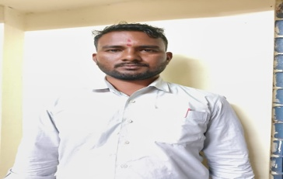 | 1 | Pandit Manisha Bhausaheb | Malkup Tal -Parner Dist - Ahilyanagar
2 | Pawar Sujata Vijay | Dhavalpuri tal Parner Dist Ahilyanagar | M.A.B.Ed | Female Rector | 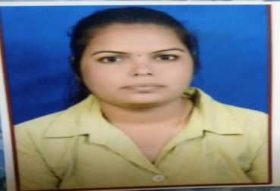 | 2 | Nalawade Jalindar Archanan | Malkup Tal -Parner Dist - Ahilyanagar | 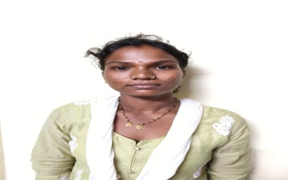
3 | Ghangale Swati Sujeet | IZAK HOSTEL BHALWANI | M.A.B.Ed | asst.Female Rector | 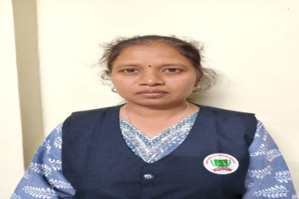 | 3 | Chavhan Kusum Manoj | jalalpur bhavaniganj station uttar pradesh
4 | KOKATE RAJSHREE MACHHINDRA | Dolasane Tal- Sangamner Dist Ahilyanagar | M.Sc.B.Ed | asst.Teacher |  | 4 | Borge Suman Devram | Gango Bhoyre Tal Parner Dist - Ahilyanagar | 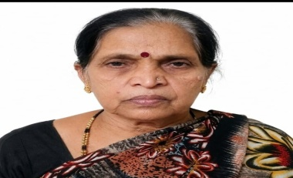
5 | NARHE NANASAHEB RAMDAS | Dhoki , Tal - parner Dist - Ahilyanagar | B.A.BP.Ed | SPORT . TEACHER |  | 5 | Lashakre Sunita Arjun | Malkup Tal -Parner Dist - Ahilyanagar | 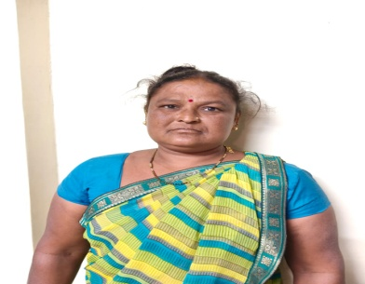
6 | Kolpe Savitra Kondiram | Dhoki , Tal - parner Dist - Ahilyanagar | M.A.B.Ed | asst.Teacher |  | 6 | Kusalkar Shital Mahadu | Malkup Tal -Parner Dist - Ahilyanagar | 
 |  |  |  |  |  | 7 | Mahandule Asha Keshav | a/p - BHALWANI Tal -Parner Dist - Ahilyanagar | 
 |  |  |  |  |  | 8 | vidya Arun Mohite | a/p - BHALWANI Tal -Parner Dist - Ahilyanagar | 
 |  |  |  |  |  | 9 | Rohokale Avinash Sbaji | a/p - BHALWANI Tal -Parner Dist - Ahilyanagar | 
 |  |  |  |  |  | 10 | Yusuf Nanabhai Shaikh | a/p - Sarola Advai I Tal -Parner Dist - Ahilyanagar | 
 |  |  |  |  |  | 11 | Gudekar Dipak Balu | Malkup Tal -Parner Dist - Ahilyanagar | 
 |  |  |  |  |  | 12 | Salve Suvarna Subhash | Malkup Tal -Parner Dist - Ahilyanagar | 
 |  |  |  |  |  | 13 | lashkare Radhabai Bhaskar | Malkup Tal -Parner Dist - Ahilyanagar | 

management member
MANAGEMENT Members

 |  |  |  | 
Secretory Mr. Rehan shafi Kazi DOB 11-9-78 Qualifications Bachelor of Arts |  | Founder Late Dr saeed Ahmed khudabaksh kazi 17-12-1952 to 24-4-2020 Doctor by profession Completed his BHMS from gune Ayurved college. Ahilyanagar | Chairman Mr Shahid saeed Kazi DOB 28-5-1986 Qualifications MAster of computer application MCA |  | Director Dr .Asma Shahid Kazi DOB 4 -10 -1987 Qualifications BPTh. DNE Bachelor of physiotherapy Diploma in nutrition education

